iris-overfitting.csv
Additional notes on Lecture 2 - Decision Tree
The following document illustrates why a pruned tree tends to be more accurate than a fully grown tree
The diagrams are take from the lect3-overfitting-example, the rapidminer process on moodle, reading in two dataset: iris-overfitting.csv and iris-overfitting-test.csv
Training dataset |  |  |  |  |  | 3D Scatter on the training dataset
sepallength | petallength | petalwidth | label
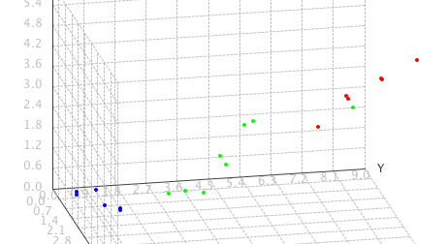
2.5 | 1.3 | 0.3 | setosa
2.1 | 1.4 | 0.2 | setosa
2.3 | 0.9 | 0.4 | setosa
0.8 | 0.5 | 0.2 | setosa
1 | 1 | 0.3 | setosa
0.8 | 0.5 | 0.1 | setosa
3.1 | 3 | 1 | veriscolor
3.2 | 4 | 2 | veriscolor
3.3 | 3.5 | 1 | veriscolor
3.5 | 4.6 | 3 | veriscolor
3.2 | 2.5 | 1 | veriscolor
3.8 | 4 | 2 | veriscolor
4.1 | 4.7 | 3.35 | veriscolor
6.3 | 7 | 4.5 | veriscolor
5.7 | 8 | 5 | virginica
6.3 | 6 | 4 | virginica
5.5 | 7 | 4.5 | virginica
5.7 | 9 | 5.5 | virginica
5.6 | 8 | 5 | virginica
5.7 | 7 | 4.5 | virginica |  |  |  | non-typical example

A pruned tree will not attempt to correctly classify the non-typical example:
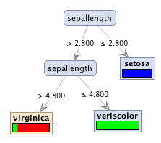

A fully grown tree with no limit on leaf size or tree size will produce a branch for the non-typical example. This branch could cause other iris virginica's to be incorrectly classified

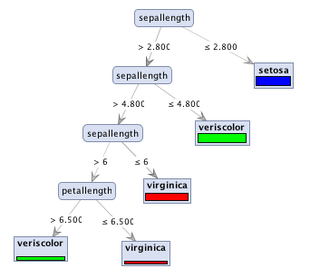

Test dataset:
sepallength | petallength | petalwidth | Actual label | predicted label - pruned tree | predicted label - full tree
0.8 | 0.4 | 0.2 | setosa | setosa | setosa
3.5 | 3 | 1.5 | veriscolor | veriscolor | veriscolor
6.3 | 6.8 | 4.4 | virginica | virginica | veriscolor
5.7 | 7.6 | 4.8 | virginica | virginica | virginica

